Lucky Kitty Emma Outcomes
Hi Friends! We're plotting something for Emma's birthday and I need help -- we may or may not have time for this but sourcing ideas is a good way to get started! We're looking for ideas to theme the lucky kitty slot machine outcomes for Emma's birthday. So for example, three shira swords = jackpot! you win emma's 40th birthday themed coins! but theres potential for other outcomes too, like three kitties = meowing sounds and rainbow lights. But in order for this to be properly Emma themed, I need your ideas on what kind of ideas you have that scream "EMMA" to you if they came up in a row of three on a slot machine. We would much appreciate any and all input you have! THANKYOU

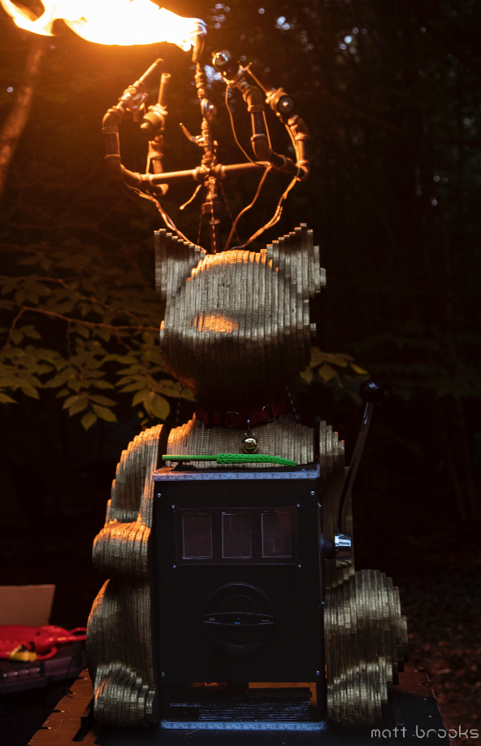
Idea | Image suggestion | Link to image | Music suggestion |  | LED Colour suggestions | Win or Loss? | Vote for favourite (add a * to the cell)
She-Ra | She Ra Swords | https://static.wikia.nocookie.net/d689f8ea-304b-4257-b9d7-7a746f73f61c | She Ra Transformation | https://www.youtube.com/watch?v=18J4Fwl4qbg | White and gold | win (get coins) | **
Potatoes | Sad Potato | https://assets.bigcartel.com/account_images/2496266/5CA74B0A-A620-4E60-8F7B-DA56A5AA32C4.jpeg?auto=format&fit=max&h=1200&w=1200 |  |  |  | Loss? | *
Butts
Nitrous Chargers | Canister | https://www.google.com/imgres?imgurl=https%3A%2F%2Fyourroom.health.nsw.gov.au%2Fa-z-of-drugs%2FPublishingImages%2FPages%2Fnitrous-bulb%2520positioned%2520correctly.png&imgrefurl=https%3A%2F%2Fyourroom.health.nsw.gov.au%2Fa-z-of-drugs%2FPages%2Fnitrous-oxide.aspx&tbnid=5kfsGkJH8Te4LM&vet=12ahUKEwj8zIX0zJPzAhUdn3IEHdftBUQQMyhiegUIARCBAQ..i&docid=9qZr9CSXJGicrM&w=1038&h=1038&q=nitrous%20oxide&ved=2ahUKEwj8zIX0zJPzAhUdn3IEHdftBUQQMyhiegUIARCBAQ |  |  | Teal | Win (get fire) | **
Drum n Bass
Jabba the Hut | Jabba | https://static.wikia.nocookie.net/starwars/images/7/7f/Jabba_SWSB.png/revision/latest/scale-to-width-down/530?cb=20160910034237 | Bring me Solo and the Wookie | https://getyarn.io/yarn-clip/367394e2-97d8-4a12-b4f2-cbae3804f187 | Green? | Win | *
Bubbles
Bodysuits
Cheese | Babybel | https://assets.afcdn.com/recipe/20180720/81529_w300h300c1.jpg | Never gonna give you up... | https://www.youtube.com/watch?v=DLzxrzFCyOs | Yellow and red |  | *
Latex
Hookah |  |  |  |  |  |  | *
Fantasy Football
Salt & Vinegar chips
Gremlin | Mogwai | https://trickortreatstudios.com/media/catalog/product/cache/1da4909b8e3ea5eea17a9fb4c6e4a516/_/0/_0003_gremlins-gizmo-mogwai.png | Plays some drum and bass | https://www.youtube.com/watch?v=pMHTQ8r9pQU |  | Win | **
insurance |  |  |  |  |  | loss
baby doll face with mouth for eyes ?
poo | poo emoji |  |  |  |  | loss
Champagne |  |  |  |  |  |  | *
Red Panada | Red Panda face or tail
bourbon
Vampire
MORE! | Bright bold letters "MORE"
corgi | corgi butt
Teal
BRAT | Pink bold letters |  |  |  |  | loss
PRINCESS BRAT | Sparkly tierra |  |  |  |  | SUPER loss
Squeaky pig |  | https://cdn.shopify.com/s/files/1/0220/8743/4340/products/image_87542219-280f-4ad7-9662-8fe75b027199_540x.jpg?v=1548840140 |  | https://www.youtube.com/watch?v=nonBQRe1rdA | Pink
Cats | Nyx and/or Q | https://photos.app.goo.gl/aPYH2e2JZU17pKag8 | Cat purrs | https://www.youtube.com/watch?v=Um-wKj8Iwz4 |  | Win | *

